USER GUIDE
 | SAFETY, HEALTH, ENVIRONMENT AND QUALITY MANAGEMENT SYSTEM MAIN ENGINE ONBOARD CYLINDER SCRAPEDOWN ANALYSIS RECORD REPORTING FORMS MANUAL | Form : 6.6.11B Date : 11-Aug-25 Rev : 10.0 App By : DPA

USER GUIDE NOTES

ONBOARD TRIBOIRON TESTER IS TO BE USED IN CONJUNCTION WITH TRIBOMAR SCRAPE DOWN ANALYSIS

As a guide but not limited to:-
1 | After unit overhauls - Every 48 running hrs until the iron content drops once the piston rings have bedded in properly.
2 | 24 Hours after changing to a new batch of fuel
3 | 24 Hours after making any changes to the cylinder oil feed rate or change of cylinder oil grade. If in doubt test again as require
4 | To test any cylinder unit if you notice overheating of the under piston spaces and compare to any the other unit.

NB:- This is the first defence against excessive liner / ring/ piston groove wear.
If a excessive amount of Iron is found contact your Ship Manager immediately.

1 | NB Read the manual properly, then prepare all items needed for the test.

 | Figure 1 a- Prepare your working place

2 | Draw your samples.
 | It is very important that the samples are as fresh as possible. Iron particles will accumulate and descend to the bottom of the sample container after a while. This could lead to improper measurements.

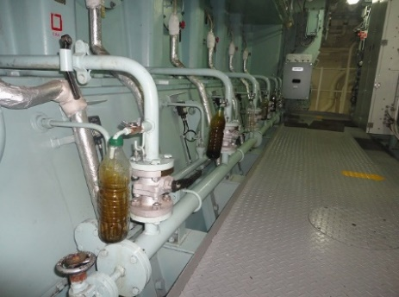

 | Figure 1 b- Take a Fresh Sample

3 | Switch on the photometer and set the ZEROPOINT of the Photometer.
 | It is only needed to do once, as long as the photometer is switched ON.
 | If it is switched OFF, then you have to repeat setting the ZEROPOINT.
 | • Fill a clean cuvette with approx. 2ml of Reagent S, using the reusable Pasteur pipette (plastic one)
 | • Insert the cuvette into the cuvette holder of the photometer, close the adapter with the attached light protection cover
 | • Press ZERO
 | • Remove the cover and the cuvette

 | Figure 2 Setting the zero point of the photometer

4 | Shake each sample container for at least 3 minutes.
 | Always draw the sample from the middle of the container, otherwise iron particles could accumulate in the lower sections of the samples container. If you draw from lower section with the pipette, the measured iron content will be much higher than the actual value.

5 | Add 0,3ml of each sample to the dedicated reaction vessel using the 1ml syringe:
 | • Do not reuse the syringe!
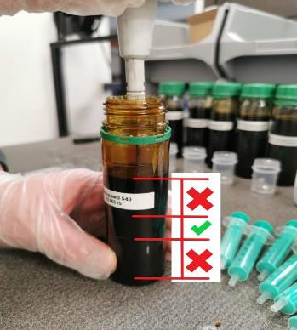

 | Figure 3 - Draw the sample

6 | Add all reagents to the dedicated reaction vessels:
 | 1. Add approx. 2ml Reagent S to the reaction vessels using a Pasteur pipette. NB this is Reusable!
 | 2. Use the reusable 10ml syringe to fill 10ml of Reagent E into the reaction vessels.
 | 3. Add one TriboIron Test pill to each reaction vessel.
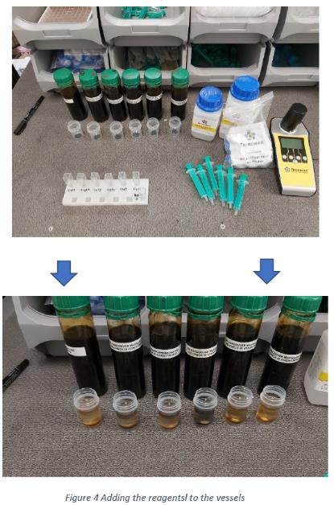

7 | Close all vessels with the blue caps, label the caps if needed.
 | Go to point 6) in the manual displayed on the photometer.

8 | Shake all reaction vessels together for exact 2min in a vertical direction to maximise turbulence
 | Press TEST on the photometer and the inbuilt timer will start countdown.

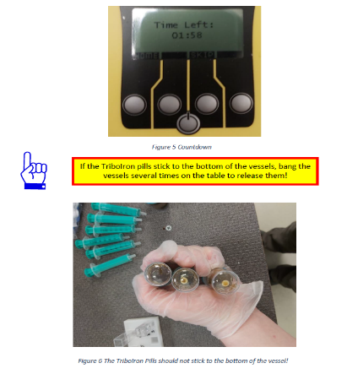

9 | Leave the vessels to stand for 8 more minutes.
 | Use this time to a to draw a little air (approx.1 ml) into the 5 ml syringes.
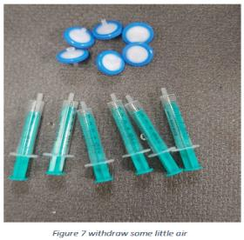

10 | Again, shake the samples 30 seconds, leave the samples to stand about 60 seconds until an aqueous solution is separated on the bottom of the vessels.

11 | In the next step the aqueous solution should be transferred to the cuvettes.
 | Don´t reuse the syringes and filters used for this!

12 | Insert the tip of the syringe into the sample down to the lower half and release the air.
 | Draw approx. 3 ml of the aqueous solution into the syringe.
 | Take care not to withdraw the oily phase!
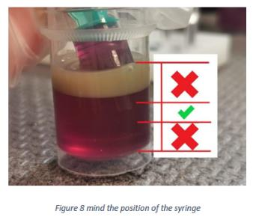

13 | Connect a syringe filter to the tip of the syringe
 | Place a clean and dry cuvette into the cuvette rack and Press the solution via the filter into the cuvette up to 2/3rd.
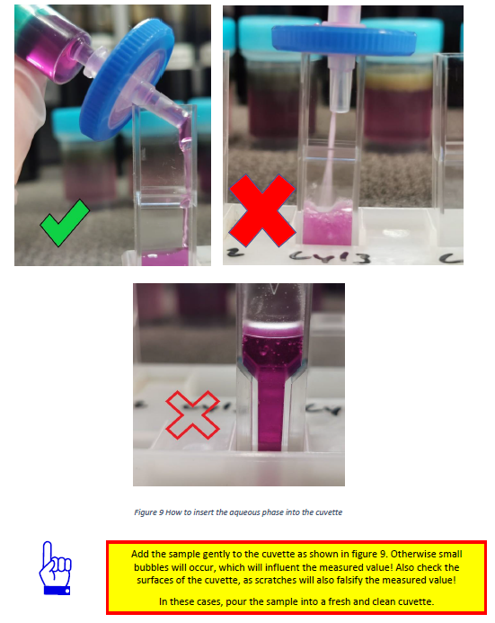

14 | Repeat this procedure for each sample.
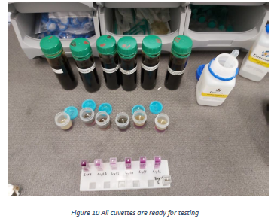

15 | Insert the cuvette with the aqueous sample into the photometer.
 | Place the cover on top of the photometer. To activate the measurement, press TEST.

16 | The total iron content of the sample will be displayed in ppm.

17 | To continue testing, confirm “Use last Zero Calibration”

